Viscosity
Sample | Viscosity | UCL | CL | LCL | n = | 20
1 | 378 | 505.2120 | 480.1000 | 454.9880 | Sample Mean = | 480.1
2 | 438 | 505.2120 | 480.1000 | 454.9880 | Sample S.D. = | 37.4347
3 | 487 | 505.2120 | 480.1000 | 454.9880 | S.D. of Sample Mean = | 8.3707
4 | 515 | 505.2120 | 480.1000 | 454.9880
5 | 485 | 505.2120 | 480.1000 | 454.9880 | 3-Sigma Control Limits
6 | 474 | 505.2120 | 480.1000 | 454.9880 | UCL = | 505.2120
7 | 486 | 505.2120 | 480.1000 | 454.9880 | CL = | 480.1000
8 | 548 | 505.2120 | 480.1000 | 454.9880 | LCL = | 454.9880
9 | 502 | 505.2120 | 480.1000 | 454.9880
10 | 440 | 505.2120 | 480.1000 | 454.9880 | If sample value (actual value) is out of limit
11 | 462 | 505.2120 | 480.1000 | 454.9880
12 | 502 | 505.2120 | 480.1000 | 454.9880
13 | 449 | 505.2120 | 480.1000 | 454.9880
14 | 470 | 505.2120 | 480.1000 | 454.9880
15 | 501 | 505.2120 | 480.1000 | 454.9880
16 | 470 | 505.2120 | 480.1000 | 454.9880
17 | 512 | 505.2120 | 480.1000 | 454.9880
18 | 530 | 505.2120 | 480.1000 | 454.9880
19 | 462 | 505.2120 | 480.1000 | 454.9880
20 | 491 | 505.2120 | 480.1000 | 454.9880

ControlChart
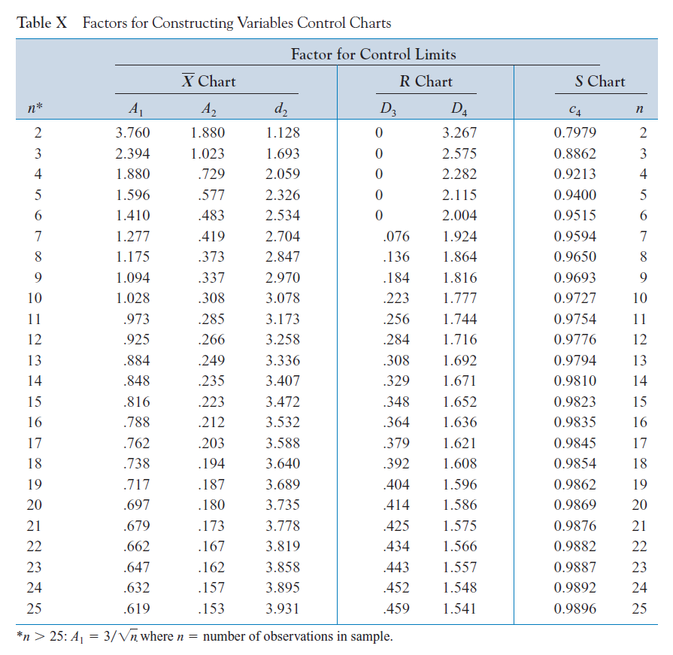

VaneOpening
Sample Number | x1 | x2 | x3 | x4 | x5 | Sample Mean | Range | S.D.
1 | 33 | 29 | 31 | 32 | 33 | 31.6 | 4 | 1.6733 | X-bar Control Chart
2 | 33 | 31 | 35 | 37 | 31 | 33.4 | 6 | 2.6077 | UCL = | 36.6666
3 | 35 | 37 | 33 | 34 | 36 | 35.0 | 4 | 1.5811 | CL = | 33.3200
4 | 30 | 31 | 33 | 34 | 33 | 32.2 | 4 | 1.6432 | LCL = | 29.9734
5 | 33 | 34 | 35 | 33 | 34 | 33.8 | 2 | 0.8367
6 | 38 | 37 | 39 | 40 | 38 | 38.4 | 3 | 1.1402 | R Control Chart
7 | 30 | 31 | 32 | 34 | 31 | 31.6 | 4 | 1.5166 | UCL = | 12.2612
8 | 29 | 39 | 38 | 39 | 39 | 36.8 | 10 | 4.3818 | CL = | 5.8000
9 | 28 | 33 | 35 | 36 | 43 | 35.0 | 15 | 5.4314 | LCL = | 0.0000
10 | 38 | 33 | 32 | 35 | 32 | 34.0 | 6 | 2.5495
11 | 28 | 30 | 28 | 32 | 31 | 29.8 | 4 | 1.7889 | S Control Chart
12 | 31 | 35 | 35 | 35 | 34 | 34.0 | 4 | 1.7321 | UCL = | 4.8985
13 | 27 | 32 | 34 | 35 | 37 | 33.0 | 10 | 3.8079 | CL = | 2.3451
14 | 33 | 33 | 35 | 37 | 36 | 34.8 | 4 | 1.7889 | LCL = | -0.2084
15 | 35 | 37 | 32 | 35 | 39 | 35.6 | 7 | 2.6077
16 | 33 | 33 | 27 | 31 | 30 | 30.8 | 6 | 2.4900 | X-bar Control Chart from S
17 | 35 | 34 | 34 | 30 | 32 | 33.0 | 5 | 2.0000 | UCL = | 36.6671
18 | 32 | 33 | 30 | 30 | 33 | 31.6 | 3 | 1.5166 | CL = | 33.3200
19 | 25 | 27 | 34 | 27 | 28 | 28.2 | 9 | 3.4205 | LCL = | 29.9729
20 | 35 | 35 | 36 | 33 | 30 | 33.8 | 6 | 2.3875

 |  |  |  |  |  | Grand Mean | Average Range | Average S.D.
 |  |  |  |  |  | 33.3200 | 5.8000 | 2.3451
 |  |  |  |  |  |  |  |  |  | X bar control chart | UCL | CL | LCL | S | UCL_S | CL_S | LCL_S
 |  |  | n | 20 |  | A2 = | 0.5770 |  |  | 31.6 | 36.6666 | 33.3200 | 29.9734 | 1.6733 | 4.8985 | 2.3451 | -0.2084
 |  |  |  |  |  | D3 = | 0.0000 |  |  | 33.4 | 36.6666 | 33.3200 | 29.9734 | 2.6077 | 4.8985 | 2.3451 | -0.2084
 |  |  |  |  |  | D4 = | 2.1140 |  |  | 35.0 | 36.6666 | 33.3200 | 29.9734 | 1.5811 | 4.8985 | 2.3451 | -0.2084
 |  |  |  |  |  | C4 = | 0.9400 |  |  | 32.2 | 36.6666 | 33.3200 | 29.9734 | 1.6432 | 4.8985 | 2.3451 | -0.2084
 |  |  |  |  |  |  |  |  |  | 33.8 | 36.6666 | 33.3200 | 29.9734 | 0.8367 | 4.8985 | 2.3451 | -0.2084
 |  |  |  |  |  |  |  |  |  | 38.4 | 36.6666 | 33.3200 | 29.9734 | 1.1402 | 4.8985 | 2.3451 | -0.2084
 |  |  |  |  |  |  |  |  |  | 31.6 | 36.6666 | 33.3200 | 29.9734 | 1.5166 | 4.8985 | 2.3451 | -0.2084
 |  |  |  |  |  |  |  |  |  | 36.8 | 36.6666 | 33.3200 | 29.9734 | 4.3818 | 4.8985 | 2.3451 | -0.2084
 |  |  |  |  |  |  |  |  |  | 35.0 | 36.6666 | 33.3200 | 29.9734 | 5.4314 | 4.8985 | 2.3451 | -0.2084
 |  |  |  |  |  |  |  |  |  | 34.0 | 36.6666 | 33.3200 | 29.9734 | 2.5495 | 4.8985 | 2.3451 | -0.2084
 |  |  |  |  |  |  |  |  |  | 29.8 | 36.6666 | 33.3200 | 29.9734 | 1.7889 | 4.8985 | 2.3451 | -0.2084
 |  |  |  |  |  |  |  |  |  | 34.0 | 36.6666 | 33.3200 | 29.9734 | 1.7321 | 4.8985 | 2.3451 | -0.2084
 |  |  |  |  |  |  |  |  |  | 33.0 | 36.6666 | 33.3200 | 29.9734 | 3.8079 | 4.8985 | 2.3451 | -0.2084
 |  |  |  |  |  |  |  |  |  | 34.8 | 36.6666 | 33.3200 | 29.9734 | 1.7889 | 4.8985 | 2.3451 | -0.2084
 |  |  |  |  |  |  |  |  |  | 35.6 | 36.6666 | 33.3200 | 29.9734 | 2.6077 | 4.8985 | 2.3451 | -0.2084
 |  |  |  |  |  |  |  |  |  | 30.8 | 36.6666 | 33.3200 | 29.9734 | 2.4900 | 4.8985 | 2.3451 | -0.2084
 |  |  |  |  |  |  |  |  |  | 33.0 | 36.6666 | 33.3200 | 29.9734 | 2.0000 | 4.8985 | 2.3451 | -0.2084
 |  |  |  |  |  |  |  |  |  | 31.6 | 36.6666 | 33.3200 | 29.9734 | 1.5166 | 4.8985 | 2.3451 | -0.2084
 |  |  |  |  |  |  |  |  |  | 28.2 | 36.6666 | 33.3200 | 29.9734 | 3.4205 | 4.8985 | 2.3451 | -0.2084
 |  |  |  |  |  |  |  |  |  | 33.8 | 36.6666 | 33.3200 | 29.9734 | 2.3875 | 4.8985 | 2.3451 | -0.2084

 |  |  |  |  |  |  |  |  |  | Range | UCL_R | CL_R | LCL_R | X bar control chart from S | UCL | CL | LCL
 |  |  |  |  |  |  |  |  |  | 4 | 12.2612 | 5.8000 | 0.0000 | 31.6000 | 36.6671 | 33.3200 | 29.9729
 |  |  |  |  |  |  |  |  |  | 6 | 12.2612 | 5.8000 | 0.0000 | 33.4000 | 36.6671 | 33.3200 | 29.9729
 |  |  |  |  |  |  |  |  |  | 4 | 12.2612 | 5.8000 | 0.0000 | 35.0000 | 36.6671 | 33.3200 | 29.9729
 |  |  |  |  |  |  |  |  |  | 4 | 12.2612 | 5.8000 | 0.0000 | 32.2000 | 36.6671 | 33.3200 | 29.9729
Range control chart
 |  |  |  |  |  |  |  |  |  | 2 | 12.2612 | 5.8000 | 0.0000 | 33.8000 | 36.6671 | 33.3200 | 29.9729
 |  |  |  |  |  |  |  |  |  | 3 | 12.2612 | 5.8000 | 0.0000 | 38.4000 | 36.6671 | 33.3200 | 29.9729
 |  |  |  |  |  |  |  |  |  | 4 | 12.2612 | 5.8000 | 0.0000 | 31.6000 | 36.6671 | 33.3200 | 29.9729
 |  |  |  |  |  |  |  |  |  | 10 | 12.2612 | 5.8000 | 0.0000 | 36.8000 | 36.6671 | 33.3200 | 29.9729
 |  |  |  |  |  |  |  |  |  | 15 | 12.2612 | 5.8000 | 0.0000 | 35.0000 | 36.6671 | 33.3200 | 29.9729
 |  |  |  |  |  |  |  |  |  | 6 | 12.2612 | 5.8000 | 0.0000 | 34.0000 | 36.6671 | 33.3200 | 29.9729
 |  |  |  |  |  |  |  |  |  | 4 | 12.2612 | 5.8000 | 0.0000 | 29.8000 | 36.6671 | 33.3200 | 29.9729
 |  |  |  |  |  |  |  |  |  | 4 | 12.2612 | 5.8000 | 0.0000 | 34.0000 | 36.6671 | 33.3200 | 29.9729
 |  |  |  |  |  |  |  |  |  | 10 | 12.2612 | 5.8000 | 0.0000 | 33.0000 | 36.6671 | 33.3200 | 29.9729
 |  |  |  |  |  |  |  |  |  | 4 | 12.2612 | 5.8000 | 0.0000 | 34.8000 | 36.6671 | 33.3200 | 29.9729
 |  |  |  |  |  |  |  |  |  | 7 | 12.2612 | 5.8000 | 0.0000 | 35.6000 | 36.6671 | 33.3200 | 29.9729
 |  |  |  |  |  |  |  |  |  | 6 | 12.2612 | 5.8000 | 0.0000 | 30.8000 | 36.6671 | 33.3200 | 29.9729
 |  |  |  |  |  |  |  |  |  | 5 | 12.2612 | 5.8000 | 0.0000 | 33.0000 | 36.6671 | 33.3200 | 29.9729
 |  |  |  |  |  |  |  |  |  | 3 | 12.2612 | 5.8000 | 0.0000 | 31.6000 | 36.6671 | 33.3200 | 29.9729
 |  |  |  |  |  |  |  |  |  | 9 | 12.2612 | 5.8000 | 0.0000 | 28.2000 | 36.6671 | 33.3200 | 29.9729
 |  |  |  |  |  |  |  |  |  | 6 | 12.2612 | 5.8000 | 0.0000 | 33.8000 | 36.6671 | 33.3200 | 29.9729

